NVDA
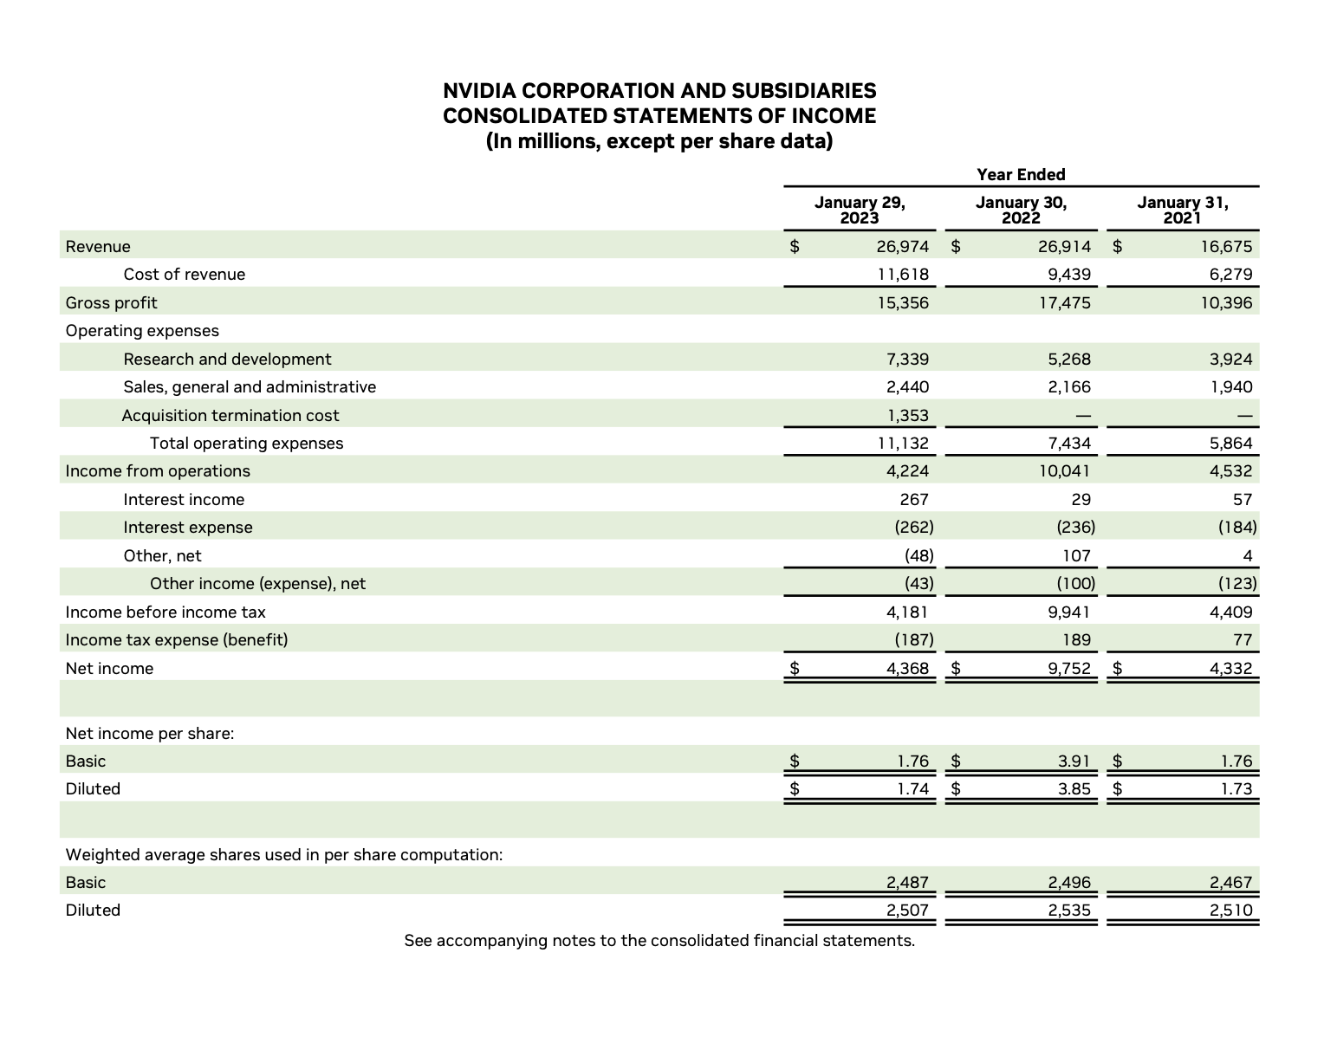
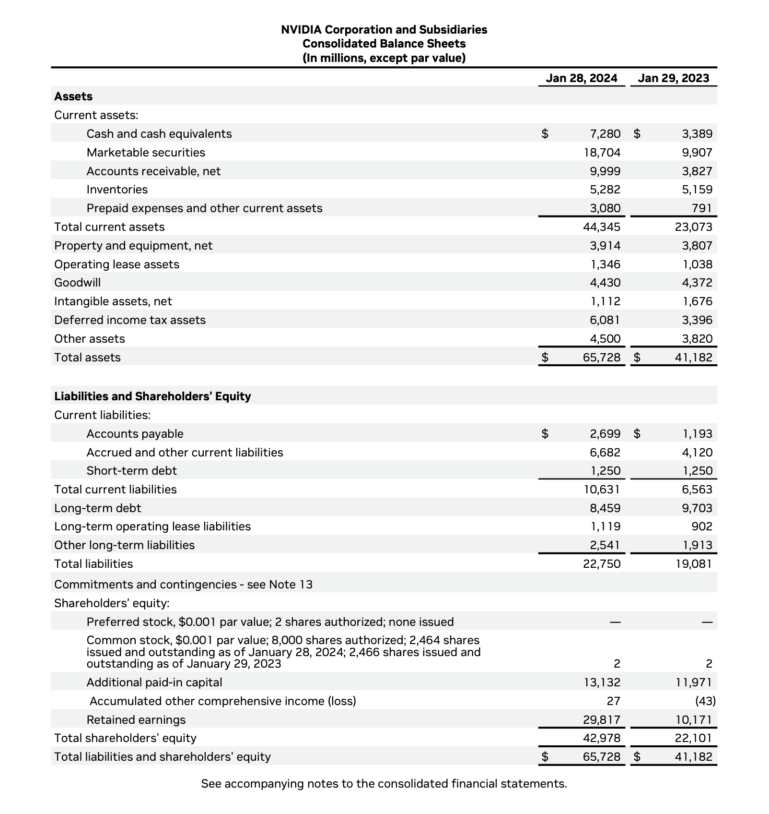
Assets |  |  |  |  | 2023 | 2024
Current Assets
Cash and cash equivalents |  |  |  |  | $3,389.00 | $7,280.00
Marketable securities |  |  |  |  | 9,907 | 18,704
Accounts receivables, net |  |  |  |  | 3,827 | 9,999
Inventory |  |  |  |  | 5,159 | 5,282
Prepaid expenses and other current assets |  |  |  |  | 791 | 3,080
Total current assets |  |  |  |  | 23,073 | 44,345
Property and equipment, net |  |  |  |  | 3,807 | 3,914
Operating lease assets |  |  |  |  | 1,038 | 1,346
Goodwill |  |  |  |  | 4,372 | 4,430
Intangible assets, net |  |  |  |  | 1,676 | 1,112 |  |  |  | 2024 |  |  |  |  | 2023
Deferred income tax assets |  |  |  |  | 3,396 | 6,081
Other Assets |  |  |  |  | 3,820 | 4,450
Total Assets |  |  |  |  | 41,182 | 65,728

Liabilities and Shareholders' Equity
Current Liabilities
Accounts Payable |  |  |  |  | 1,193 | 2,699 |  |  | 33,714 | = | 44,345 | - | 10,631 | 16,510 | = | 23,073 | - | 6,563
Accrued and other current liabilities |  |  |  |  | 4,120 | 6,682
Short-term debt |  |  |  |  | 1250 | 1250
Total current liabilities |  |  |  |  | 6,563 | 10,631
Long-term debt |  |  |  |  | 9,703 | 8,459
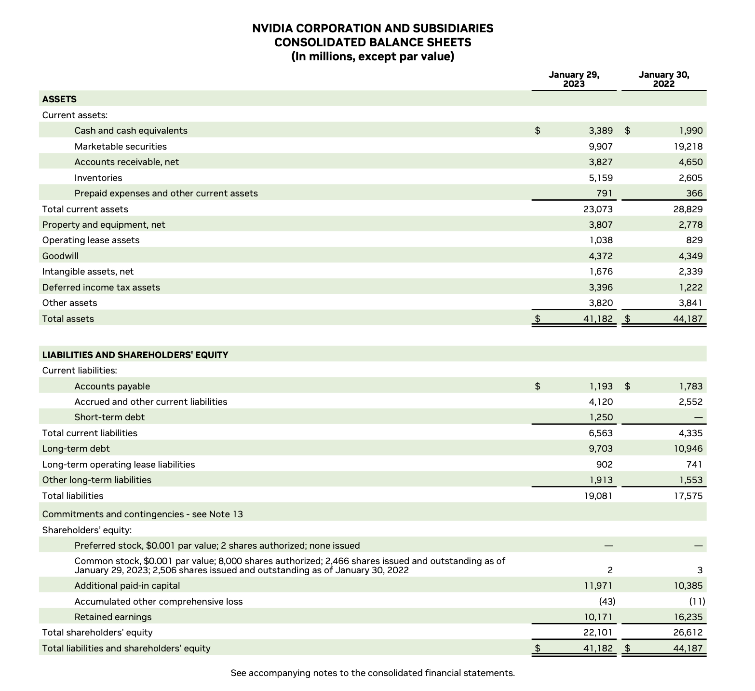
Long-term operating lease liabilities |  |  |  |  | 902 | 1,119
Other long-term liabilities |  |  |  |  | 1,913 | 2,541 |  |  |  | 44,345 | = | 4.17 |  |  | 23,073 | = | 3.52
Total Liabilities |  |  |  |  | 19,081 | 22,750
Shareholders' Equity |  |  |  |  |  |  |  |  |  | 10,631 |  |  |  |  | 6,563
Common Stock |  |  |  |  | 2 | 2
Additional paid-in capital |  |  |  |  | 11971 | 13132
Accumulated other comprhensive income (loss) |  |  |  |  | $(43) | 27
Retained Earnings |  |  |  |  | 10,171 | 29,817 |  |  |  | 17,279 | = | 1.63 |  |  | 7,216 | = | 1.10
Total Shareholders equity |  |  |  |  | 22,101 | 42,978 |  |  |  | 10,631 |  |  |  |  | 6,563
Total Liabilities & Shareholders' Equity |  |  |  |  | 41,182 | 65,728

 |  |  |  |  |  |  |  |  |  | 22,750 | = | 0.53 |  |  | 19,081 | = | 0.86
 |  |  |  |  |  |  |  |  |  | 42,978 |  |  |  |  | 22,101

 |  | Vertical Analisis
Assets |  |  |  |  |  |  |  |  |  | #REF! | = | #REF! |  |  | #REF! | = | #REF!
Current Assets |  | 2023 |  | 2024 |  |  |  |  |  | #REF! |  |  |  |  | #REF!
Cash and cash equivalents |  | 3,389 | 8.23% | 7,280 | 11.08%
Marketable securities |  | 9,907 | 24.06% | 18,704 | 28.46%
Accounts receivables, net |  | 3,827 | 9.29% | 9,999 | 15.21%
Inventory |  | 5,159 | 12.53% | 5,282 | 8.04%
Prepaid expenses and other current assets |  | 791 | 1.92% | 3,080 | 4.69%
Total current assets |  | 23,073 | 56.03% | 44,345 | 67.47%
Property and equipment, net |  | 3,807 | 9.24% | 3,914 | 5.95%
Operating lease assets |  | 1,038 | 2.52% | 1,346 | 2.05%
Goodwill |  | 4,372 | 10.62% | 4,430 | 6.74%
Intangible assets, net |  | 1,676 | 4.07% | 1,112 | 1.69%
Deferred income tax assets |  | 3,396 | 8.25% | 6,081 | 9.25% |  |  |  |  | 2024 |  |  |  |  | 2023
Other Assets |  | 3,820 | 9.28% | 4,450 | 6.77%
Total Assets |  | 41,182 | 100.00% | 65,728 | 100.00%
 |  |  |  |  |  |  |  |  |  | 60,922 | = | 1.14 |  |  | #REF! | = | #REF!
Liabilities and Shareholders' Equity |  |  |  |  |  |  |  |  |  | 53,455.00 |  |  |  |  | #REF!
Current Liabilities
Accounts Payable |  | 1,193 | 3% | 2,699 | 4.11% |  |  |  |  |  |  |  |  |  | (Supuesto Activo total 2022 = 450)
Accrued and other current liabilities |  | 4,120 | 10% | 6,682 | 10.17%
Short-term debt |  | 1,250 | 3% | 1,250 | 1.90% |  |  |  |  | 60,922 | = | 8.81 |  |  | #REF! | = | #REF!
Total current liabilities |  | 6,563 | 16% | 10,631 | 16.17% |  |  |  |  | 6,913.00 |  |  |  |  | #REF!
Long-term debt |  | 9,703 | 24% | 8,459 | 12.87%
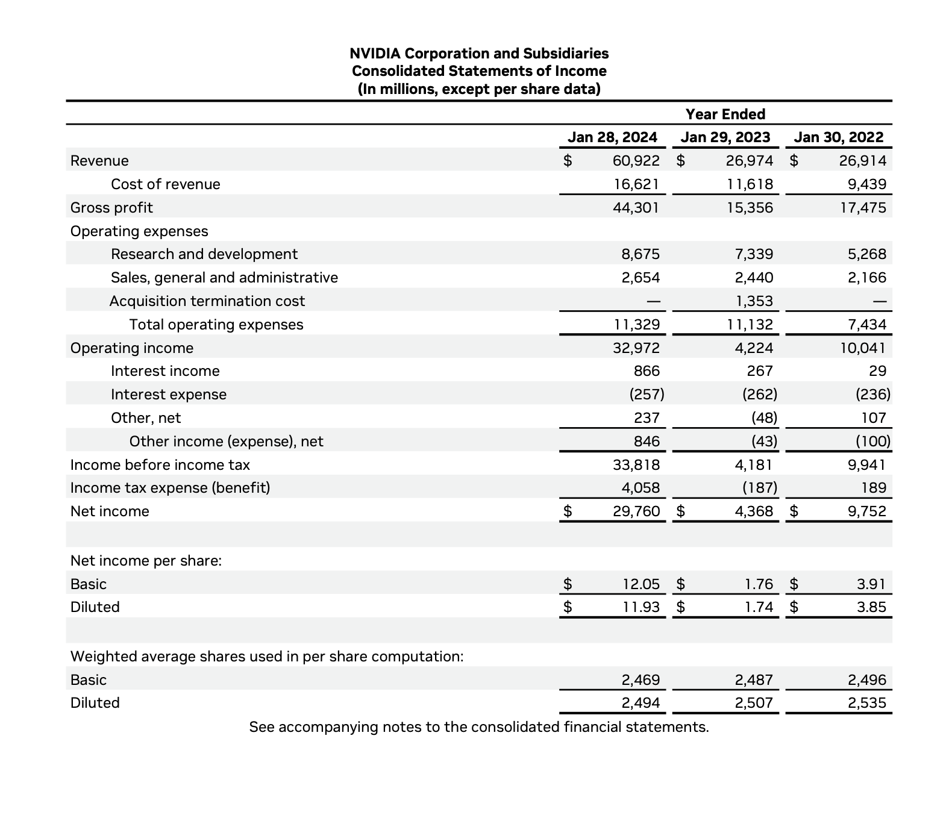
Long-term operating lease liabilities |  | 902 | 2% | 1,119 | 1.70% |  |  |  |  |  |  |  |  |  | (Supuesto saldo Cts*Cob 2022 = 120)
Other long-term liabilities |  | 1,913 | 5% | 2,541 | 3.87%
Total Liabilities |  | 19,081 | 46% | 22,750 | 34.61%
Shareholders' Equity |  |  |  |  |  |  |  |  |  | 365 | = | 41.42 |  |  | 365 | = | #REF!
Common Stock |  | 2 | 0.0049% | 2 | 0.0030% |  |  |  |  | 8.81 |  |  |  |  | #REF!
Additional paid-in capital |  | 11,971 | 29% | 13,132 | 19.98%
Accumulated other comprehensive income (loss) |  | (43) | -0.1044% | 27 | 0.041%
Retained Earnings |  | 10,171 | 25% | 29,817 | 45.36%
Total Shareholders equity |  | 22,101 | 54% | 42,978 | 65.39%
Total Liabilities & Shareholders' Equity |  | 41,182 | 100% | 65,728 | 100.00%
 |  |  |  |  |  |  |  |  |  | 16,621 | = | 3.18 |  |  | #REF! | = | #REF!
 |  |  |  |  |  |  |  |  |  | 5,220.50 |  |  |  |  | #REF!

 |  |  |  |  |  |  |  |  |  |  |  |  |  |  | (Supuesto saldo Inventario 2022= 150)
 | Horizontal Analisis |  | Cambio Porcentual
Assets
Current Assets | 2023 | 2024 |  |  |  |  |  |  |  | 365 | = | 114.64 |  |  | 365 | = | #REF!
Cash and cash equivalents | 3,389 | 7,280 | 114.81% |  |  |  |  |  |  | 3.18 |  |  |  |  | #REF!
Marketable securities | 9,907 | 18,704 | 88.80%
Accounts receivables, net | 3,827 | 9,999 | 161.28%
Inventory | 5,159 | 5,282 | 2.38%
Prepaid expenses and other current assets | 791 | 3,080 | 289.38%
Total current assets | 23,073 | 44,345 | 92.19%
Property and equipment, net | 3,807 | 3,914 | 2.81%
Operating lease assets | 1,038 | 1,346 | 29.67% |  |  |  |  |  |  | 2024 |  |  |  |  | 2023
Goodwill | 4,372 | 4,430 | 1.33%
Intangible assets, net | 1,676 | 1,112 | -33.65% |  |  |  |  |  |  | 29,760 | = | 0.49 |  |  | - | = | #REF!
Deferred income tax assets | 3,396 | 6,081 | 79.06% |  |  |  |  |  |  | 60,922 |  |  |  |  | #REF!
Other Assets | 3,820 | 4,450 | 16.49%
Total Assets | 41,182 | 65,728 | 59.60%

Liabilities and Shareholders' Equity |  |  |  |  |  |  |  |  |  | 29,760 | = | 0.56 |  |  | - | = | #REF!
Current Liabilities |  |  |  |  |  |  |  |  |  | 53,455 |  |  |  |  | #REF!
Accounts Payable | 1,193 | 2,699 | 126.24%
Accrued and other current liabilities | 4,120 | 6,682 | 62.18%
Short-term debt | 1,250 | 1,250 | 0.00%
Total current liabilities | 6,563 | 10,631 | 61.98%
Long-term debt | 9,703 | 8,459 | -12.82%
Long-term operating lease liabilities | 902 | 1,119 | 24.06%
Other long-term liabilities | 1,913 | 2,541 | 32.83%
Total Liabilities | 19,081 | 22,750 | 19.23% |  |  |  |  |  |  |  | = |  |  |  |  | =
Shareholders' Equity
Common Stock | 2 | 2 | 0.00%
Additional paid-in capital | 11,971 | 13,132 | 9.70%
Accumulated other comprehensive income (loss) | (43) | 27 | -162.79% |  |  |  |  |  |  | 29,760 | = | 1.45 |  |  | - | = | #REF!
Retained Earnings | 10,171 | 29,817 | 193.16% |  |  |  |  |  |  | 20,591.30 |  |  |  |  | #REF!
Total Shareholders equity | 22,101 | 42,978 | 94.46%
Total Liabilities & Shareholders' Equity | 41,182 | 65,728 | 59.60% |  |  |  |  |  |  |  |  |  |  |  | (Supuesto Cap.Contable 2022= 390)

 |  |  |  |  |  |  |  |  |  |  | = |  |  |  |  | =

 |  |  |  | 2024 |  |  | 2023
 | 2024 | 2023
Sales Revenue | 60,922 | 26,974 |  | 60,922 | 100.00% |  | 26,974 | 100.00%
Cost of Goods Sold | 16,621 | 11,618 |  | 16,621 | 27.28% |  | 11,618 | 43.07%
Operating expense | 11,329 | 11,132 |  | 11,329 | 18.60% |  | 11,132 | 41.27%
Interest expense | -257 | -262 |  | -257 | -0.42% |  | -262 | -0.97%
Interest Income | 866 | 267 |  | 866 | 1.42% |  | 267 | 0.99%
Income tax expense | 4,058 | -187 |  | 4,058 | 6.66% |  | -187 | -0.69%
Net Income | 29,760 | 4,368 |  | 29,760 | 48.85% |  | 4,368 | 16.19%

AXP
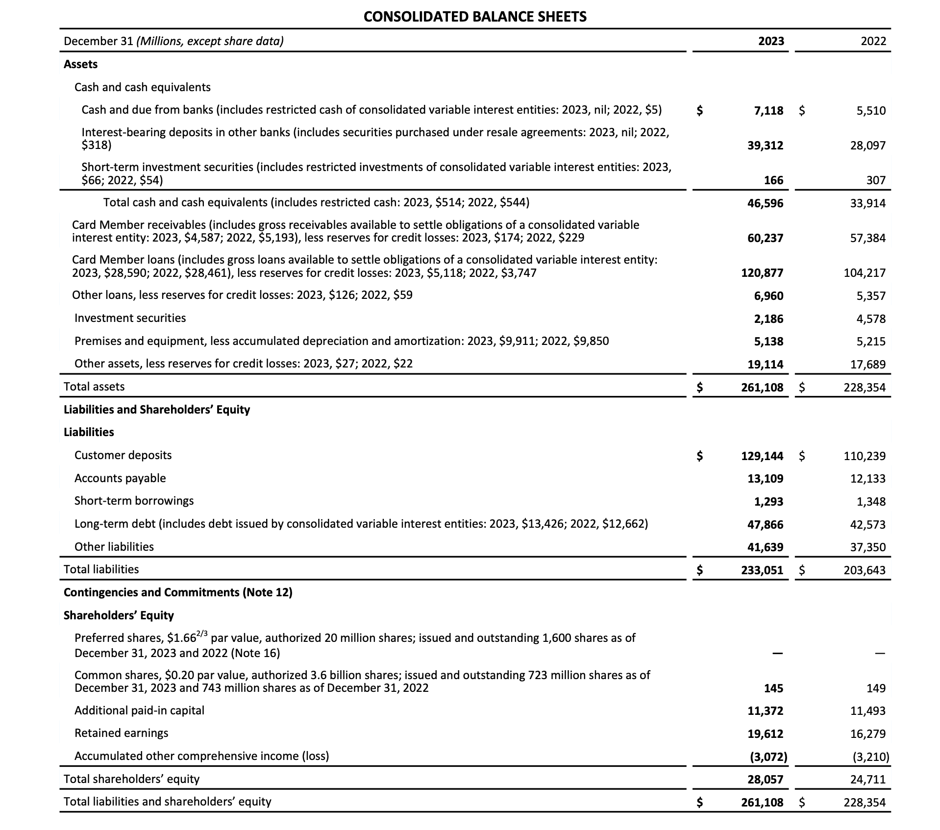

December 31 (Millions, except share data) | 2023 | 2022 |  |  |  |  |  |  | Análisis |  | Análisis
 |  |  |  |  |  |  |  |  | Vertical |  | Vertical
Assets |  |  |  |  |  |  |  |  | 2023 |  | 2024
Cash and cash equivalents |  |  |  |  |  |  |  |  | 5,510 | 2.41% | 7,118 | 2.73%
Cash and due from banks | 7,118 | 5,510 |  |  |  |  |  |  | 28,097 | 12.30% | 39,312 | 15.06%
Interest-bearing deposits in other banks | 39,312 | 28,097 |  |  |  |  |  |  | #REF! | #REF! | #REF! | #REF!
Short-term investment securities | 166 | 307 |  |  |  |  |  |  | 307 | 0.13% | 166 | 0.06%
Total cash and cash equivalents | 46,596 | 33,914 |  |  |  |  |  |  | 33,914 | 14.85% | 46,596 | 17.85%
Card Member receivables | 60,237 | 57,384 |  |  |  |  |  |  | 57,384 | 25.13% | 60,237 | 23.07%
Card Member loans | 120,877 | 104,217 |  |  |  |  |  |  | 104,217 | 45.64% | 120,877 | 46.29%
Other loans | 6,960 | 5,357 |  |  |  |  |  |  | 5,357 | 2.35% | 6,960 | 2.67%
Investment securities | 2,186 | 4,578 |  |  |  |  |  |  | 4,578 | 2.00% | 2,186 | 0.84%
Premises and equipment | 5,138 | 5,215 |  |  |  |  |  |  | 5,215 | 2.28% | 5,138 | 1.97%
Other Assets | 19,114 | 17,689 |  |  |  |  |  |  | 17,689 | 7.75% | 19,114 | 7.32%
Total Assets | 261,108 | 228,354 |  |  |  |  |  |  | 228,354 | 100.00% | 261,108 | 100.00%
Liabilities
Customer deposits | 129,144 | 110,239 |  |  |  |  |  |  | 12,133 | #DIV/0! | 13,109 | #DIV/0!
Accounts payable | 13,109 | 12,133 |  |  |  |  |  |  | 110,239 | #DIV/0! | 129,144 | #DIV/0!
Short-term borrowings | 1,293 | 1,348 |  |  |  |  |  |  | 1,348 | #DIV/0! | 1,293 | #DIV/0!
Long-term debt | 47,639 | 37,350 |  |  |  |  |  |  | 37,350 | #DIV/0! | 47,639 | #DIV/0!
Other liablities | 41,639 | 37,350 |  |  |  |  |  |  | 37,350 | #DIV/0! | 41,639 | #DIV/0!
Total Liabilities | 233,051 | 203,643 |  |  |  |  |  |  | 203,643 | #DIV/0! | 233,051 | #DIV/0!
Shareholders' Equity |  |  |  |  |  |  |  |  | - | #DIV/0! | - | #DIV/0!
Preferred shares | - | - |  |  |  |  |  |  | - | #VALUE! | - | #VALUE!
Common shares | 145 | 149 |  |  |  |  |  |  | 149 | #DIV/0! | 145 | #DIV/0!
Additional paid-in capital | 11,372 | 11,493 |  |  |  |  |  |  | 11,493 | #DIV/0! | 11,372 | #DIV/0!
Retained earnings | 19,612 | 16,279 |  |  |  |  |  |  | 16,279 | #DIV/0! | 19,612 | #DIV/0!
Acumulated other comprehensive income (loss) | -3,072 | -3,210 |  |  |  |  |  |  | (3,210) | #DIV/0! | (3,072) | #DIV/0!
Total Shareholders equity | 28,057 | 24,711 |  |  |  |  |  |  | 24,711 | #DIV/0! | 28,057 | #DIV/0!
Total Liabilities & Shareholders' Equity | 261,108 | 228,354 |  |  |  |  |  |  | 228,354 | #DIV/0! | 261,108 | #DIV/0!
 |  |  |  |  |  |  |  |  | - | #DIV/0! | - | #DIV/0!

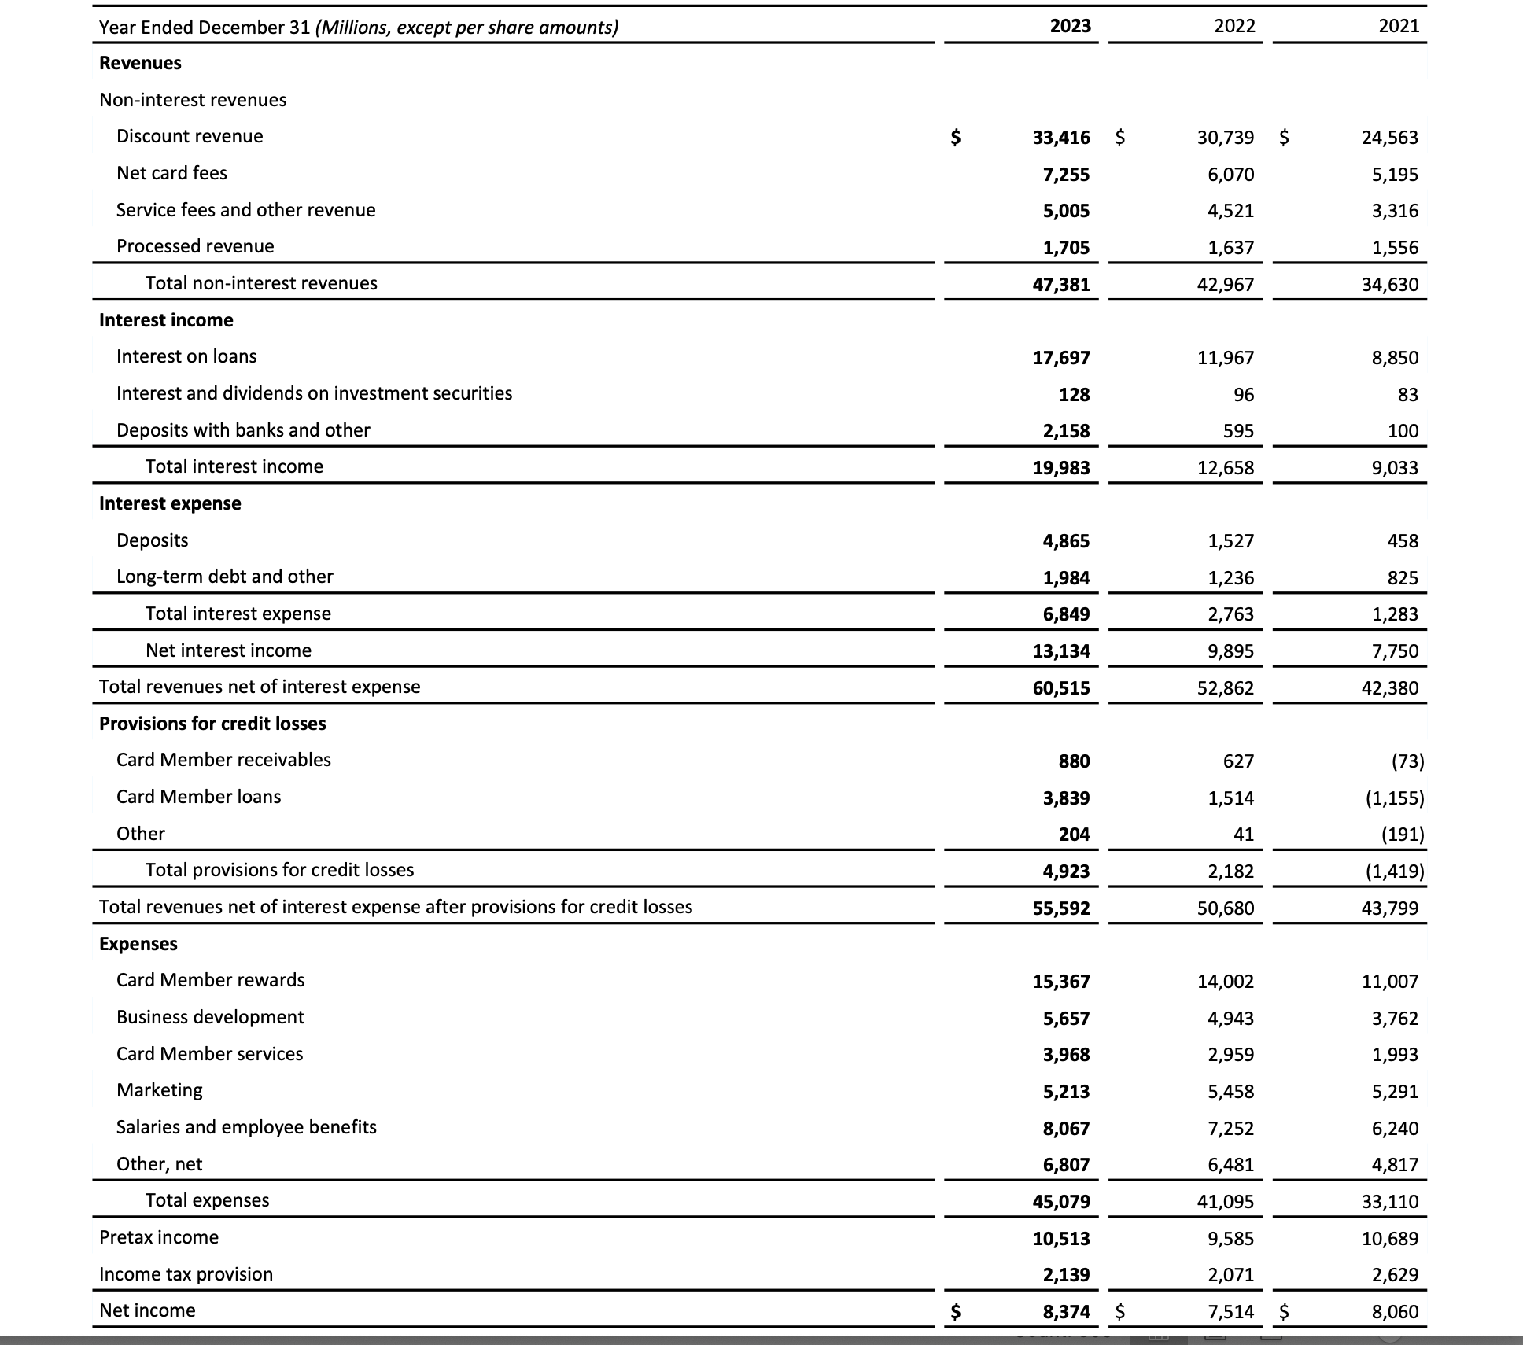
 |  |  |  | Análisis Horizontal |  | Cambio Porcentual
Year Ended December 31 (Millions, except per share amounts) | 2023 | 2022 | 2021
Revenues |  |  |  | 2024 | 2023
Non-interest revenues |  |  |  | 7,118 | 5,510 | 29.18%
Discount revenue | $33,416 | $30,739 | $24,563 | 39,312 | 28,097 | 39.92%
Nert card fees | 7,255 | 6,070 | 5,195 | #REF! | #REF!
Service fees and other revenues | 5,005 | 4,521 | 3,316 | 166 | 307
Processed revenue | 1,705 | 1,637 | 1,556 | 46,596 | 33,914
Total non-interest revenues | 47,381 | 42,967 | 34,630 | 60,237 | 57,384
Interest income |  |  |  | 120,877 | 104,217 | 15.99%
Interest on loans | 17,697 | 11,967 | 8,850 | 6,960 | 5,357
Interest and dividends on investment securities | 128 | 96 | 83 | 2,186 | 4,578
Deposits with banks and other | 2,158 | 595 | 100 | 5,138 | 5,215
Total interest income | 19,983 | 12,658 | 9,033 | 19,114 | 17,689
Interest expense |  |  |  | 261,108 | 228,354 | 14.34%
Deposits | 4,865 | 1,527 | 458 | - | -
Long-term debt and other | 1,984 | 1,236 | 825 | 13,109 | 12,133 | 8.04%
Total interest expense | 6,849 | 2,763 | 1,283 | 129,144 | 110,239 | 17.15%
Net interest income | 13,134 | 9,895 | 7,750 | 1,293 | 1,348
Total revenues net of interest expense | 50,515 | 52,862 | 42,380 | 47,639 | 37,350 | 27.55%
Provisions for credit losses |  |  |  | 41,639 | 37,350
Card Member receivables | 880 | 627 | -73 | 233,051 | 203,643 | 14.44%
Card Member loans | 3,839 | 1,514 | -1,155 | - | - | #DIV/0!
Other | 204 | 41 | -191 | - | -
Total provisions for credit losses | 4,923 | 2,182 | -1,419 | 145 | 149 | -2.68%
Total revenues neto of interest expense after provisions for credit losses | 55,592 | 50,680 | 43,799 | 11,372 | 11,493
Expenses |  |  |  | 19,612 | 16,279
Card Member rewards | 15,367 | 14,002 | 11,007 | (3,072) | (3,210) | -4.30%
Business development | 5,667 | 4,943 | 3,762 | 28,057 | 24,711
Card Member services | 3,968 | 2,959 | 1,993 | 261,108 | 228,354 | 14.34%
Marketing | 5,213 | 5,458 | 5,291
Salaries and employment benefits | 8,067 | 7,252 | 6,240
Other, net | 6,807 | 6,481 | 4,817
Total expenses | 45,079 | 41,095 | 33,110
Pretax income | 10,513 | 9,585 | 10,689 | 2024 |  |  | 2023
Income tax provision | 2,139 | 2,071 | 2,629
Net income | 8,374 | 7,514 | 8,060 | 2,071 | 100.00% |  | 2,139 | 100.00%
 |  |  |  | 7,514 |  |  | 8,374
 |  |  |  | - | 0.00% |  | - | 0.00%
 |  |  |  | - | 0.00% |  | - | 0.00%
 |  |  |  | - | 0.00% |  | - | 0.00%
 |  |  |  | - |  |  | -
 |  |  |  | - |  |  | -

 |  |  |  |  | cs

JPM
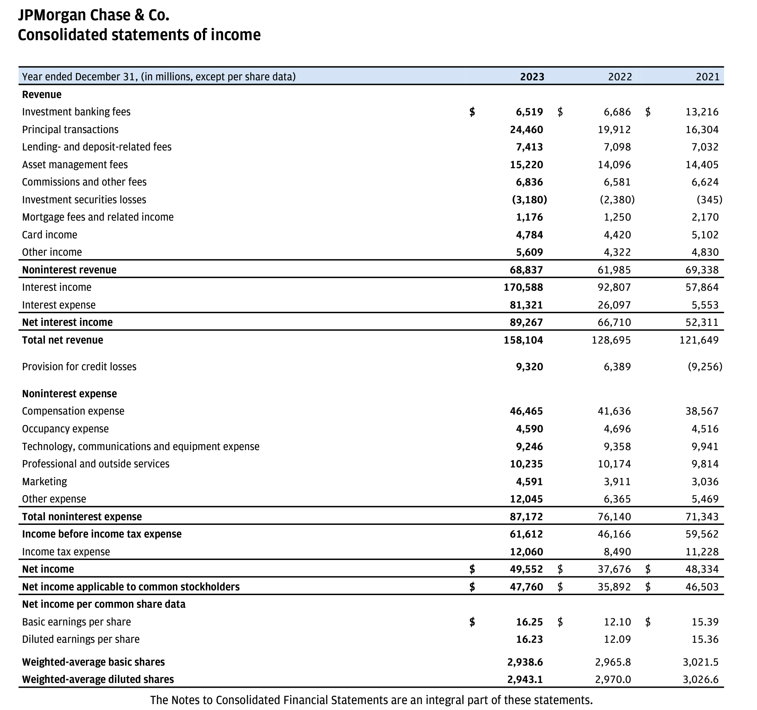
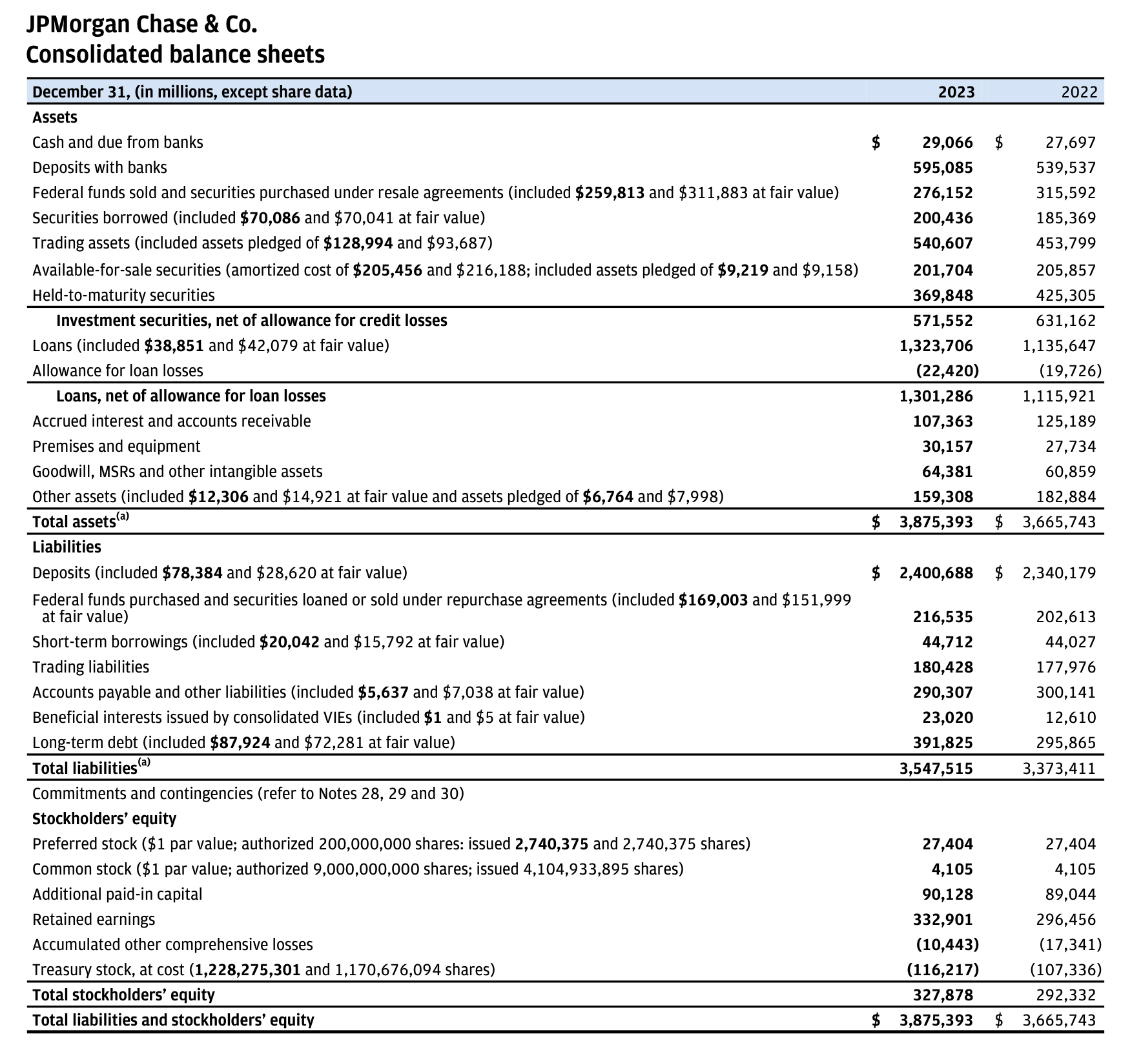

Assets
Cash and due from banks
Deposits with banks
Federal funds sold and securities purchased under resale agreements
Securities borrowed
Trading assets
Available-for-sale securities
Held-to-maturity securities
Invetment securities, net of allowance for credit losses
Loans
Allowance for loan losses
Loans, net of allowance for loan losses
Accrued intrest and accounts receivable
Premises and equipment
Goodwill, MSRs and other intangible assests
Other assets
Total assets
Liabilites
Deposits
Federal funds purchased and securities loaned or sold under repurchase agreements
Short-term borrowings
Trading liabilites
Accounts payable
Beneficial interests issued by consolodiated VIEs
Long-term debt
Total liabilities
Stockholders' equity
Preferred stock
Common stock
Additional paid-in capital
Retained earnings
Accumulated other comprhensive income (losses)
Treasury stock
Total Stockholders' equity
Total liabilities and stockholders' equity

